Sheet1
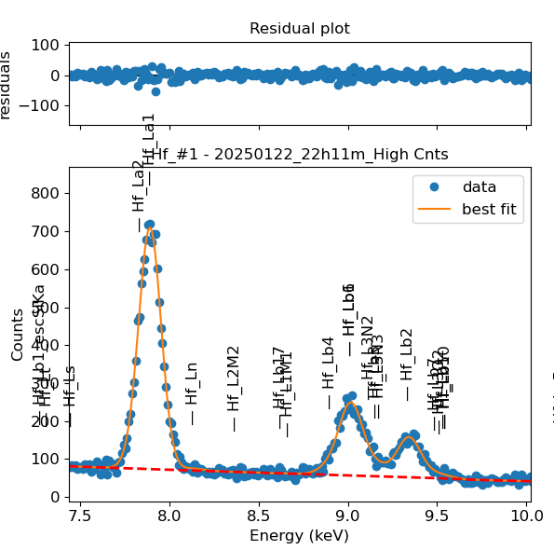
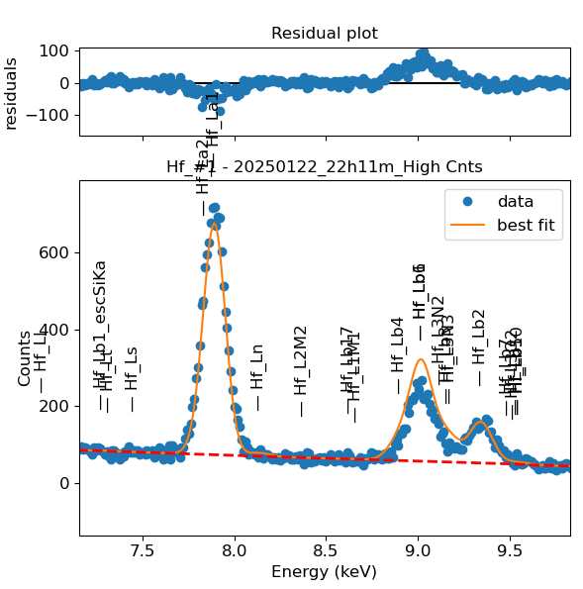
Weights calibrated measuring a pure Hf standard, bulk, polished |  |  |  |  |  |  |  |  |  |  | Weights unchanged
Area of all peaks is fitted |  |  |  |  |  |  |  |  |  |  | Weights changed
A constant shift is maintained across all peaks
Sigma is fixed for all peaks

Hf |  | Meas 1 | Meas 2 | Meas 3 | Meas 4 | Meas 5 | Meas 6 | Meas 7 | Meas 8 | Meas 9 | Sp 11
La1 |  | 90.415 | 89.317 | 89.235 | 91.247 | 89.171 | 87.606 | 92.47 | 93.832 | 87.537 | 91.006
Ln |  | 3.613 | 3.371 | 4.483 | 4.125 | 3.684 | 4.11 | 3.612 | 4.097 | 3.919 | 3.965
Lb4 |  | 0.818 | 1.008 | 2.104 | 1.137 | 1.558 | 0.949 | 1.247 | 0.713 | 1.838 | 0.922
Lb1 |  | 26.391 | 16.584 | 27.761 | 17.327 | 32.706 | 30.271 | 31.75 | 17.367 | 21.583 | 13.653
Lb6 |  | 3.83 | 15.839 | 2.66 | 15.727 | 0 | 0.375 | 0.002 | 16.555 | 10.191 | 18.104
Lb1 + Lb6 |  | 30.221 | 32.423 | 30.421 | 33.054 | 32.706 | 30.646 | 31.752 | 33.922 | 31.774 | 31.757
L3N2 |  | 0.039 | 0 | 0.004 | 0 | 0.004 | 0.544 | 0 | 0 | 0 | 0.143
Lb3 |  | 4.452 | 0.015 | 4.47 | 0 | 3.697 | 3.874 | 4.18 | 0 | 4.429 | 0.39
L3N3 |  | 0.001 | 3.365 | 0 | 3.985 | 0.253 | 0 | 0 | 3.768 | 0.007 | 3.531
L3N2 + Lb3 + L3N3 |  | 4.492 | 3.38 | 4.474 | 3.985 | 3.954 | 4.418 | 4.18 | 3.768 | 4.436 | 4.064
Lb2 |  | 17.334 | 18.25 | 18.528 | 19.096 | 19.718 | 17.513 | 18.458 | 18.911 | 18.291 | 19.214
Lb7 |  | 1.026 | 0.001 | 0.593 | 0.895 | 0 | 0 | 0 | 0 | 0 | 0.101
L3O2 |  | 0.299 | 0 | 0 | 0 | 0.103 | 0.832 | 0.268 | 0 | 0 | 0.112
Lu |  | 0.488 | 0.102 | 0 | 0 | 0 | 0.002 | 0.069 | 0 | 0 | 0.039
Lb10 |  | 0.008 | 0.447 | 0 | 0 | 0 | 0 | 0.014 | 0 | 0.014 | 0
Lb5 |  | 0 | 0.228 | 0 | 0 | 0 | 0 | 0 | 0 | 0.312 | 0
Lb7 + L3O2 + Lu + Lb10 + Lb5 |  | 1.821 | 0.778 | 0.593 | 0.895 | 0.103 | 0.834 | 0.351 | 0 | 0.326 | 0.252

Line | Original w | Meas 1 | Meas 2 | Meas 3 | Meas 4 | Meas 5 | Meas 6 | Meas 7 | Meas 8 | Meas 9 | Meas 10 | Mean | Stdev | Er (%)
La1 | 1 | 1.0000 | 1.0000 | 1.0000 | 1.0000 | 1.0000 | 1.0000 | 1.0000 | 1.0000 | 1.0000 | 1.0000 | 1.0000
Ln | 0.0158 | 0.0400 | 0.0377 | 0.0502 | 0.0452 | 0.0413 | 0.0469 | 0.0391 | 0.0437 | 0.0448 | 0.0436 | 0.0432 | 0.0038 | 8.83
Lb4 | 0.10189 | 0.0090 | 0.0113 | 0.0236 | 0.0125 | 0.0175 | 0.0108 | 0.0135 | 0.0076 | 0.0210 | 0.0101 | 0.0137 | 0.0053 | 38.68
Lb1 | 0.46231 | 0.2919 | 0.1857 | 0.3111 | 0.1899 | 0.3668 | 0.3455 | 0.3434 | 0.1851 | 0.2466 | 0.1500 | 0.2616 | 0.0800 | 30.58
Lb6 | 0.014 | 0.0424 | 0.1773 | 0.0298 | 0.1724 | 0.0000 | 0.0043 | 0.0000 | 0.1764 | 0.1164 | 0.1989 | 0.0918 | 0.0842 | 91.76
Lb1 + Lb6 | 0.47631 | 0.3342 | 0.3630 | 0.3409 | 0.3622 | 0.3668 | 0.3498 | 0.3434 | 0.3615 | 0.3630 | 0.3490 | 0.3534 | 0.0114 | 3.22
L3N2 | 0.0001 | 0.0004 | 0.0000 | 0.0000 | 0.0000 | 0.0000 | 0.0062 | 0.0000 | 0.0000 | 0.0000 | 0.0016 | 0.0008 | 0.0020 | 235.24
Lb3 | 0.1316 | 0.0492 | 0.0002 | 0.0501 | 0.0000 | 0.0415 | 0.0442 | 0.0452 | 0.0000 | 0.0506 | 0.0043 | 0.0285 | 0.0238 | 83.38
L3N3 | 0.0001 | 0.0000 | 0.0377 | 0.0000 | 0.0437 | 0.0028 | 0.0000 | 0.0000 | 0.0402 | 0.0001 | 0.0388 | 0.0163 | 0.0205 | 125.69
L3N2 + Lb3 + L3N3 | 0.1318 | 0.0497 | 0.0378 | 0.0501 | 0.0437 | 0.0443 | 0.0504 | 0.0452 | 0.0402 | 0.0507 | 0.0447 | 0.0457 | 0.0045 | 9.86
Lb2 | 0.2048 | 0.1917 | 0.2043 | 0.2076 | 0.2093 | 0.2211 | 0.1999 | 0.1996 | 0.2015 | 0.2090 | 0.2111 | 0.2055 | 0.0080 | 3.90
Lb7 | 0.0004 | 0.0113 | 0.0000 | 0.0066 | 0.0098 | 0.0000 | 0.0000 | 0.0000 | 0.0000 | 0.0000 | 0.0011 | 0.0029 | 0.0046 | 157.48
L3O2 | 0.0001 | 0.0033 | 0.0000 | 0.0000 | 0.0000 | 0.0012 | 0.0095 | 0.0029 | 0.0000 | 0.0000 | 0.0012 | 0.0018 | 0.0030 | 164.48
Lu | 0.0005 | 0.0054 | 0.0011 | 0.0000 | 0.0000 | 0.0000 | 0.0000 | 0.0007 | 0.0000 | 0.0000 | 0.0004 | 0.0008 | 0.0017 | 216.24
Lb10 | 0.0054 | 0.0001 | 0.0050 | 0.0000 | 0.0000 | 0.0000 | 0.0000 | 0.0002 | 0.0000 | 0.0002 | 0.0000 | 0.0005 | 0.0016 | 290.49
Lb5 | 0.005 | 0.0000 | 0.0026 | 0.0000 | 0.0000 | 0.0000 | 0.0000 | 0.0000 | 0.0000 | 0.0036 | 0.0000 | 0.0006 | 0.0013 | 214.39
Lb7 + L3O2 + Lu + Lb10 + Lb5 | 0.0114 | 0.0201 | 0.0087 | 0.0066 | 0.0098 | 0.0012 | 0.0095 | 0.0038 | 0.0000 | 0.0037 | 0.0028 | 0.0066 | 0.0059 | 88.65

Fits whose peak areas vary, but whose sum is almost cosntant:
So we use the original ratios to diustribute the sum among the 2 peaks, giving:

Lb1 + Lb6 | Lb1 | Lb6 | Sum
Original ratio | 0.9706 | 0.0294
Resulting weights: | 0.3430 | 0.0104 | 0.3534

L3N2 + Lb3 + L3N3 | L3N2 | Lb3 | L3N3 | Sum
Original ratio | 0.0008 | 0.9985 | 0.0008
Resulting weights: | 0.00003 | 0.04561 | 0.00003 | 0.0457

Lb7 + L3O2 + Lu + Lb10 + Lb5 | Lb7 | L3O2 | Lu | Lb10 | Lb5 | Sum
Original ratio | 0.0351 | 0.0088 | 0.0439 | 0.4737 | 0.4386
Resulting weights: | 0.00023 | 0.00006 | 0.00029 | 0.00314 | 0.00291 | 0.0066

 |  | Without fixing the peaks above: |  |  |  |  |  |  |  |  | Fixing the peaks:

